Information
National Mutual Acceptance
Single Ethical Review of Multi-centre Human Research Projects

Monitoring and Reporting Matrix

Australian Capital Territory
New South Wales
Northern Territory
Queensland
South Australia
Victoria
Western Australia

This Monitoring and Reporting Matrix is designed to assist Investigators, HREC Coordinators and Research Governance Officers.
The matrix provides information on reporting requirements for multi-centre human research projects taking place in Australian States and Territories.

How to use the Monitoring and Reporting Matrix
 | 1 | Select the NMA Reporting tab (below)
 | 2 | Filter by Report Type
 | 3 | Filter by State/Territory

The Glossary tab (below) defines abbreviations used in the Monitoring and Reporting Matrix.
The Contacts tab (below) provides contact details for each State/Territory.
The References tab (below) contains links to reference documents.

 | Help!
 | To filter a column (Report Type or State/Territory):
 | Select the dropdown arrow in the column title
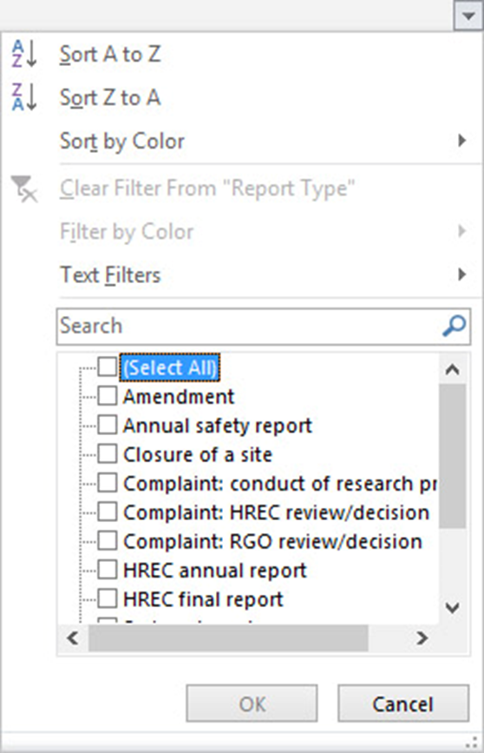
 | Unselect the 'Select All' checkbox

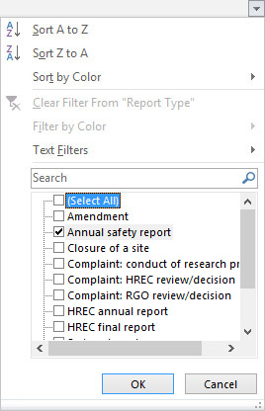
 | Select the desired checkbox(es)
 | Select OK

